Table 3
Published 31 May 2022
Sprat (Sprattus sprattus) in subdivisions 22–32 (Baltic Sea)
ICES advice on fishing opportunities
ICES advises that when the EU multiannual plan (MAP) for the Baltic Sea is applied, catches in 2023 that correspond to the F ranges in the plan are between 183 749 tonnes and 317 905 tonnes. According to the MAP, catches higher than those corresponding to FMSY (249 237 tonnes) can only be taken under conditions specified in the plan, whilst the entire range is considered precautionary when applying ICES advice rule.
Stock development over time
Fishing pressure on the stock is above FMSY and between Fpa and Flim and spawning-stock size is above MSY Btrigger, Bpa, and Blim.
Figure 1 Sprat in subdivisions 22–32. Summary of the stock assessment. SSB at spawning time is predicted for 2022.
Catch scenarios
Table 1 Sprat in subdivisions 22–32. Values in the forecast and for the interim year.
Variable | Value | Notes
Fages 3–5 (2022) | 0.38 | F based on catch constraint
SSB (2022) | 1,022,000 | Predicted SSB at spawning time; tonnes
Rage 1 (2022) | 44,213,000 | RCT3 estimate; thousands
Rage 1 (2023–2024) | 87,472,000 | Geometric mean 1991–2021; thousands
Total catch (2022) | 295,300 | Catch constraint (295 300 t = EU quota of 251 900 t + Russian quota of 43 400 t); tonnes
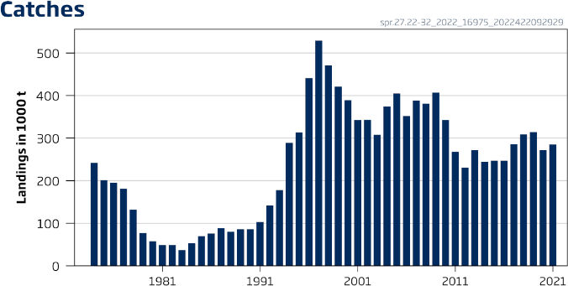
ICES Advice 2022 – spr.27.22-32 – https://doi.org/ 10.17895/ices.advice.19453856 ICES advice, as adopted by its Advisory Committee (ACOM), is developed upon request

 | 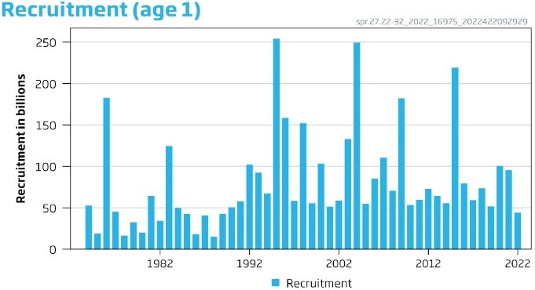
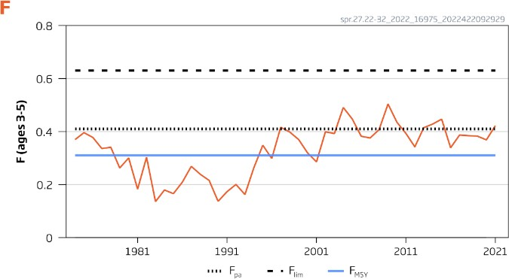
 | 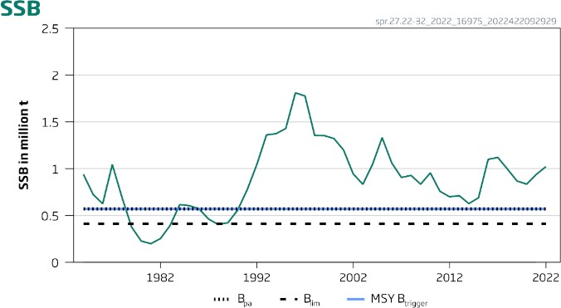
Table 2 Sprat in subdivisions 22–32. Annual catch scenarios. All weights are in tonnes.

Table 25
Published 30 June 2022
Whiting (Merlangius merlangus) in Division 6.a (West of Scotland)
ICES advice on fishing opportunities
ICES advises that when the MSY approach is applied, catches in 2023 should be no more than 4155 tonnes.
Management should be implemented at the stock level.
Stock development over time
Fishing pressure on the stock is below FMSY, and spawning-stock size is above MSY Btrigger, Bpa, and Blim.
Figure 1 Whiting in Division 6.a. Summary of the stock assessment. The assumed recruitment value for 2022 is shaded in a lighter colour.
Catch scenarios
Table 1 Whiting in Division 6.a. Assumptions made for the interim year and in the forecast.
Variable | Value | Notes
Fages 1–3 (2022) | 0.07 | F = Faverage (2017–2021) rescaled to F2021
SSB (2023) | 28,727 | Short-term forecast; in tonnes
Rage 0 (2022-2023) | 273,676 | Median recruitment, resampled from the years 2012–2021; in thousands
Catch (2022) | 1484 | Short-term forecast; in tonnes
Projected landings (2022) | 766 | Short-term forecast; assuming average landings ratio by age 2019–2021^; in tonnes
Projected discards (2022) | 718 | Short-term forecast; assuming average discard ratio by age 2019–2021^; in tonnes
^ Due to inadequate discard sampling coverage of the fishery in 2021, average landings and discards proportions from 2019 –2020 are used for ages 0 and 1.
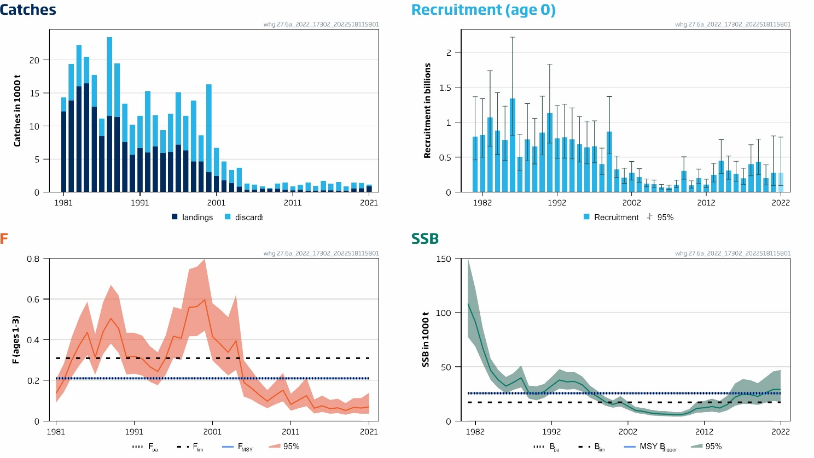
ICES Advice 2022 – whg.27.6a – https://doi.org/10.17895/ices.advice.19457426 ICES advice, as adopted by its Advisory Committee (ACOM), is developed upon request

Table 2 Whiting in Division 6.a. Annual catch scenarios. All weights are in tonnes.

Table 26
Basis |  | Total catch (2023) | Projected landings* (2023) | Projected discards** (2023) | Ftotal (2023) | Fprojected landings (2023) | Fprojected discards (2023) | SSB (2024) | % SSB change *** | % advice change^
ICES advice basis
MSY approach: FMSY |  | 4155 | 2081 | 2074 | 0.21 | 0.043 | 0.167 | 25,692 | −10.6 | 1
Other scenarios
F = 0 |  | 0 | 0 | 0 | 0 | 0 | 0 | 30,665 | 6.7 | −100
F= FMSY lower |  | 3472 | 1735 | 1737 | 0.173 | 0.036 | 0.137 | 26,463 | −7.9 | −15.6
F= FMSY upper |  | 4155 | 2081 | 2074 | 0.21 | 0.043 | 0.167 | 25,692 | −10.6 | 1
F= Fpa |  | 4155 | 2081 | 2074 | 0.21 | 0.043 | 0.167 | 25,692 | −10.6 | 1
F= Flim |  | 5907 | 2978 | 2929 | 0.31 | 0.064 | 0.25 | 23,765 | −17.3 | 44
SSB (2024) = Blim |  | 12,447 | 6432 | 6015 | 0.77 | 0.158 | 0.61 | 17,286 | −40 | 200
SSB (2024) = Bpa = MSY Btrigger |  | 4241 | 2124 | 2117 | 0.22 | 0.044 | 0.171 | 25,597 | −10.9 | 3.1
SSB (2024) = SSB (2023) |  | 1547 | 766 | 781 | 0.074 | 0.0153 | 0.059 | 28,727 | 0 | −62
F = F2022 |  | 1468 | 728 | 740 | 0.070 | 0.0145 | 0.055 | 28,825 | 0.34 | −64
* Marketable landings, assuming recent discard rate. ** Including BMS landings (EU stocks), assuming recent discard rate. *** SSB 2024 relative to SSB 2023. ^ Advice value for 2023 relative to the corresponding 2022 value (4114 tonnes).
Basis of the advice
Table 3 Whiting in Division 6.a. The basis of the advice.
Advice basis | MSY approach
Management plan | The EU multiannual plan (MAP) for stocks in Western Waters and adjacent waters (EU, 2019) takes bycatch of this species into account. There is no agreed shared management plan with UK for this stock, and ICES provides advice according to ICES MSY approach.
Quality of the assessment
Due to vessel breakdown, the UK-SCOGFS-Q1 survey was not carried out in 2022. In addition, a lack of discard sampling from the Nephrops trawl fleet (due to COVID-19 disruption) means that total discards were not adequately sampled for ages 1 and 2 in 2021, therefore catch numbers for ages 1 and 2 for 2021 were estimated by the model. Sensitivity analyses indicate that these issues are likely to have minimal impact on the assessment.
Recent changes in fishery selectivity pattern are accounted for in the fishing mortality assumption in the intermediate year.
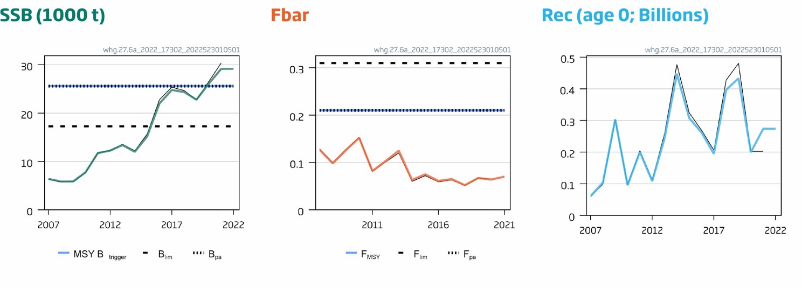
Figure 2 Whiting in Division 6.a. Historical assessment results (final-year SSB and recruitment estimates included). This stock was benchmarked in 2021.

Table 30
Summary of the assessment
Table 9 Whiting in Division 6.a. Assessment summary with weights in tonnes and recruitment in thousands. ‘High’ and ‘Low’ refer to 95% confidence intervals.
Year | Recruitment age 0 |  |  | SSB |  |  | Landings * | Discards * | Fishing mortality ages 1–3
 | Low | Value | High | Low | Value | High |  |  | Low | Value | High
1981 | 459,996 | 792,418 | 1,365,066 | 77,786 | 108,518 | 151,393 | 12,194 | 2132 | 0.09 | 0.14 | 0.20
1982 | 498,421 | 816,452 | 1,337,413 | 68,579 | 91,467 | 121,993 | 13,880 | 5485 | 0.14 | 0.20 | 0.28
1983 | 657,345 | 1,068,364 | 1,736,379 | 52,550 | 66,838 | 85,011 | 15,962 | 6294 | 0.22 | 0.30 | 0.41
1984 | 539,881 | 876,855 | 1,424,156 | 37,862 | 46,702 | 57,605 | 16,459 | 4017 | 0.28 | 0.38 | 0.51
1985 | 451,474 | 744,978 | 1,229,290 | 30,455 | 37,889 | 47,137 | 12,879 | 4840 | 0.32 | 0.44 | 0.59
1986 | 807,581 | 1,338,213 | 2,217,501 | 25,504 | 32,190 | 40,629 | 8458 | 2669 | 0.23 | 0.31 | 0.43
1987 | 305,224 | 502,134 | 826,076 | 28,783 | 35,679 | 44,227 | 11,542 | 11,918 | 0.33 | 0.44 | 0.58
1988 | 446,791 | 752,010 | 1,265,733 | 31,030 | 39,873 | 51,236 | 11,349 | 8132 | 0.38 | 0.51 | 0.67
1989 | 402,020 | 651,153 | 1,054,675 | 20,737 | 26,023 | 32,657 | 7523 | 5876 | 0.34 | 0.46 | 0.62
1990 | 529,516 | 852,259 | 1,371,717 | 19,138 | 24,796 | 32,126 | 5642 | 4530 | 0.23 | 0.32 | 0.43
1991 | 700,276 | 1,131,396 | 1,827,931 | 21,377 | 27,048 | 34,224 | 6657 | 4883 | 0.23 | 0.32 | 0.43
1992 | 476,492 | 767,342 | 1,235,727 | 25,955 | 32,522 | 40,749 | 6004 | 9249 | 0.22 | 0.31 | 0.42
1993 | 487,073 | 782,199 | 1,256,149 | 29,801 | 37,808 | 47,966 | 6871 | 4759 | 0.19 | 0.27 | 0.37
1994 | 474,415 | 755,541 | 1,203,255 | 28,991 | 36,153 | 45,084 | 5900 | 3455 | 0.18 | 0.24 | 0.34
1995 | 431,387 | 682,976 | 1,081,293 | 29,491 | 36,487 | 45,144 | 6078 | 5771 | 0.23 | 0.31 | 0.42
1996 | 403,631 | 640,194 | 1,015,406 | 27,181 | 33,447 | 41,156 | 7158 | 7940 | 0.31 | 0.42 | 0.56
1997 | 419,932 | 654,177 | 1,019,088 | 21,653 | 26,670 | 32,849 | 6291 | 5251 | 0.30 | 0.41 | 0.55
1998 | 251,844 | 398,209 | 629,639 | 18,297 | 22,542 | 27,771 | 4628 | 9216 | 0.42 | 0.56 | 0.75
1999 | 547,489 | 865,524 | 1,368,304 | 14,208 | 17,817 | 22,344 | 4613 | 3975 | 0.42 | 0.56 | 0.76
2000 | 207,196 | 326,837 | 515,561 | 12,326 | 15,340 | 19,091 | 3011 | 13,285 | 0.45 | 0.60 | 0.80
2001 | 123,439 | 204,756 | 339,642 | 13,389 | 17,587 | 23,100 | 2439 | 4263 | 0.30 | 0.42 | 0.58
2002 | 172,978 | 274,808 | 436,584 | 10,429 | 13,606 | 17,752 | 1768 | 2851 | 0.26 | 0.38 | 0.55
2003 | 138,692 | 214,958 | 333,162 | 7411 | 9806 | 12,976 | 1331 | 1991 | 0.22 | 0.34 | 0.51
2004 | 75,301 | 118,957 | 187,922 | 6531 | 8857 | 12,011 | 798 | 2897 | 0.25 | 0.40 | 0.62
2005 | 69,310 | 109,455 | 172,852 | 5175 | 7333 | 10,389 | 334 | 975 | 0.12 | 0.19 | 0.30
2006 | 42,299 | 68,001 | 109,321 | 4684 | 6631 | 9386 | 378 | 750 | 0.11 | 0.16 | 0.25
2007 | 37,923 | 60,957 | 97,979 | 4489 | 6399 | 9120 | 481 | 365 | 0.08 | 0.13 | 0.20
2008 | 63,495 | 103,708 | 169,388 | 4067 | 5848 | 8409 | 442 | 156 | 0.06 | 0.10 | 0.15
2009 | 182,966 | 303,805 | 504,451 | 4093 | 5870 | 8419 | 480 | 832 | 0.08 | 0.13 | 0.19
2010 | 56,780 | 95,360 | 160,152 | 5395 | 7753 | 11,143 | 337 | 1104 | 0.10 | 0.15 | 0.24
2011 | 121,253 | 200,140 | 330,352 | 7755 | 11,738 | 17,766 | 229 | 631 | 0.05 | 0.08 | 0.13
2012 | 63,597 | 108,065 | 183,626 | 8077 | 12,242 | 18,557 | 305 | 772 | 0.06 | 0.10 | 0.17
2013 | 143,857 | 243,043 | 410,615 | 8647 | 13,389 | 20,730 | 216 | 1223 | 0.07 | 0.13 | 0.21
2014 | 266,623 | 447,703 | 751,764 | 7749 | 11,995 | 18,569 | 181 | 745 | 0.04 | 0.06 | 0.11
2015 | 182,614 | 307,589 | 518,092 | 9838 | 15,192 | 23,458 | 224 | 1459 | 0.05 | 0.08 | 0.13
2016 | 156,219 | 261,930 | 439,172 | 14,014 | 22,004 | 34,551 | 227 | 1039 | 0.04 | 0.06 | 0.10
2017 | 111,597 | 194,799 | 340,036 | 15,845 | 24,777 | 38,744 | 178 | 1329 | 0.04 | 0.07 | 0.11
2018 | 232,604 | 396,956 | 677,437 | 15,732 | 24,363 | 37,728 | 191 | 648 | 0.03 | 0.05 | 0.09
2019 | 248,326 | 433,379 | 756,332 | 14,861 | 22,780 | 34,917 | 502 | 929 | 0.04 | 0.07 | 0.11
2020 | 102,183 | 199,449 | 389,299 | 16,902 | 26,085 | 40,258 | 544 | 817 | 0.04 | 0.06 | 0.11
2021 | 93,253 | 273,676 | 803,174 | 18,547 | 29,141 | 45,786 | 875 | 262*** | 0.04 | 0.07 | 0.14
2022 | 108,065 | 273 676** | 447,703 | 17,660 | 29,167 | 47,163
* Calculated using sum of products from the catch numbers-at-age and mean weights-at-age. Pre-2003 discards are estimated for ages 1+ only. ** Median resampled recruitment (2012–2021). *** Underestimate due to lack of discard sampling from the Nephrops fleet.
Sources and references
EU. 2019. Regulation (EU) 2019/472 of the European Parliament and of the Council of 19 March 2019 establishing a multiannual plan for stocks fished in the Western Waters and adjacent waters, and for fisheries exploiting those stocks, amending Regulations (EU) 2016/1139 and (EU) 2018/973, and repealing Council Regulations (EC) No 811/2004, (EC) No 2166/2005, (EC) No 388/2006, (EC) No 509/2007 and (EC) No 1300/2008. Official Journal of the European Union, L 83. 17 pp. http://data.europa.eu/eli/reg/2019/472/oj. ICES. 2021. Benchmark Workshop on North Sea Stocks (WKNSEA). ICES Scientific Reports, 3:25. 756 pp. https://doi.org/10.17895/ices.pub.7922.
ICES. 2022a. Advice on fishing opportunities. In Report of the ICES Advisory Committee, 2022. ICES Advice 2022, Section 1.1.1. https://doi.org/10.17895/ices.advice.19928060. ICES. 2022b. Working Group for the Celtic Seas Ecoregion (WGCSE). Draft report. ICES Scientific Reports. 4:45. http://doi.org/10.17895/ices.pub.19863796. Publication of the full report is expected end of 2022.
Lorenzen, K. 1996. The relationship between body weight and natural mortality in juvenile and adult fish: a comparison of natural ecosystems and aquaculture. Journal of Fish Biology, 49(4): 627–642. https://onlinelibrary.wiley.com/doi/abs/10.1111/j.1095-8649.1996.tb00060.x.
Download the stock assessment data and figures. Recommended citation: ICES. 2022. Whiting (Merlangius merlangus) in Division 6.a (West of Scotland). In Report of the ICES Advisory Committee, 2022. ICES Advice 2022, whg.27.6a. https://doi.org/10.17895/ices.advice.19457426.
Published 30 June 2022
Whiting (Merlangius merlangus) in divisions 7.b–c and 7.e–k (southern Celtic Seas and western English Channel)
ICES advice on fishing opportunities
ICES advises that when the MSY approach is applied, catches in 2023 should be no more than 1715 tonnes.
ICES notes the existence of a precautionary management plan, developed and adopted by one of the relevant management authorities for this stock.
Management should be implemented at the stock level.
Stock development over time
Fishing pressure on the stock is above FMSY and between Fpa and Flim, and spawning-stock size is below MSY Btrigger, Bpa, and Blim.
Figure 1 Whiting in divisions 7.b–c and 7.e–k. Summary of the stock assessment. The assumed recruitment value for 2022 is shaded in a lighter colour.
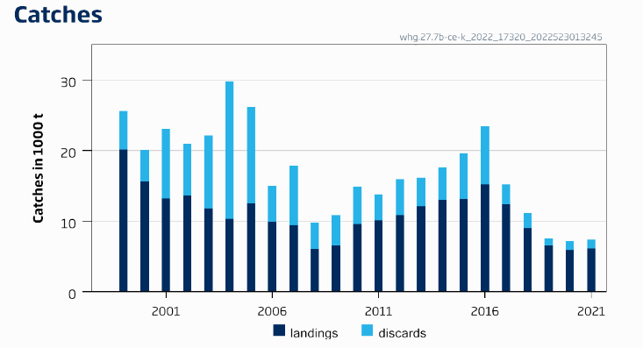
ICES Advice 2022 – whg.27.7b-ce-k – https://doi.org/10.17895/ices.advice.19458416 ICES advice, as adopted by its Advisory Committee (ACOM), is developed upon request

 |  |  |  |  |  | 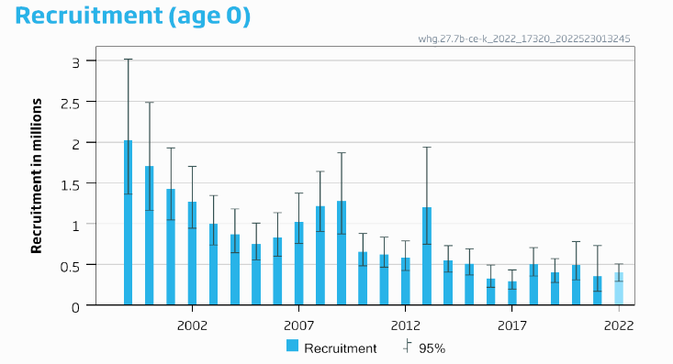
 | 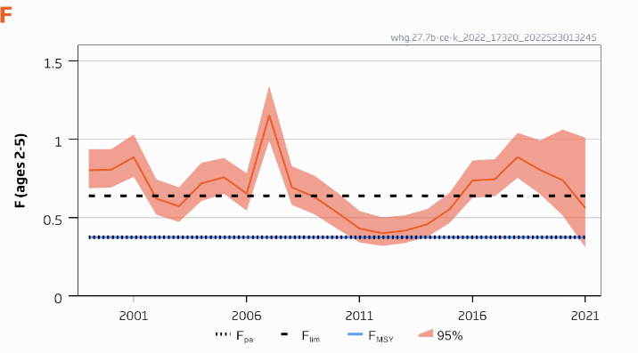
 |  |  |  |  |  | 